Sheet1
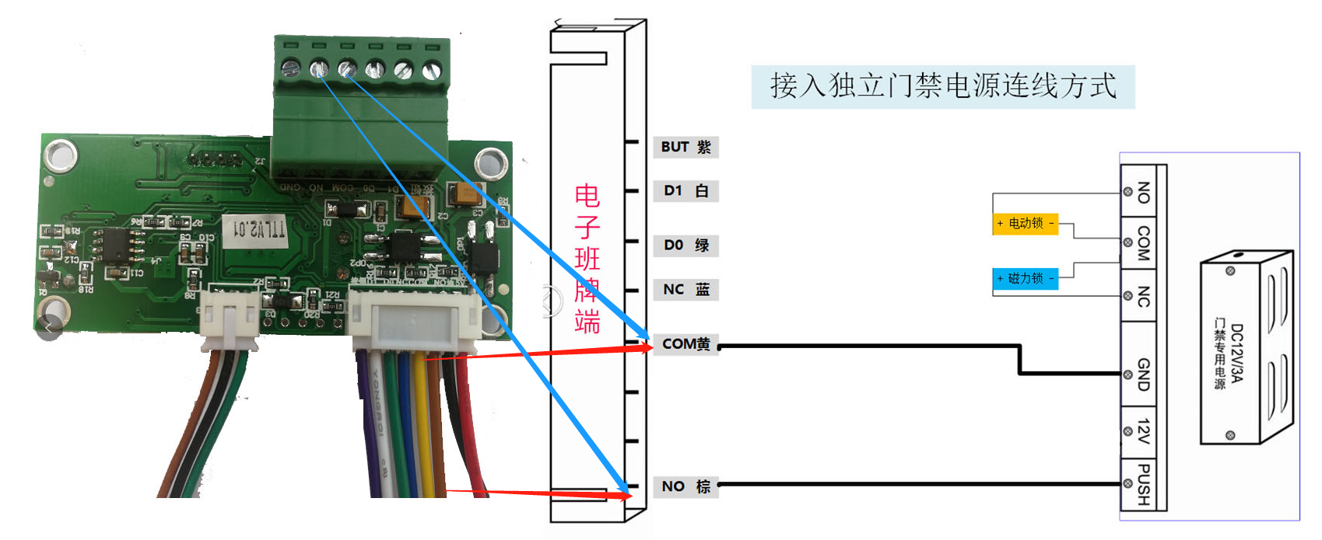
 | Command Header | Command word | Data length | Data content | End
 | 0XAA | 01-FF | 00-FF | 00-FF | 0X55
Set the door opening time | AA | 0X01 | 0X01 | 0X03（Represents 3 seconds） | 0X55
Remote door opening | AA | 0X02 | 0X00 | 0X00 | 0X55
Relay normally open | AA | 0X03 | 0X00 | 0X00 | 0X55
Relay normally closed | AA | 0X04 | 0X00 | 0X00 | 0X55
Send emergency door opening card | AA | 0X07 | 0X04 | 0X FF FF FF FF | 0X55 | The emergency card can open the door directly without other instructions
Send the Wigan data | AA | 0X08 | 0X04 | 0X ea fc 44 d1 | 0X55 | Card No
 |  |  | For example： | ea fc 44 d1
 |  |  | Internal conversion | convert d144fcea
 |  |  | Final access control received | 3510959338
Buzzer switch command | AA | 0X09 | 0X01 | 00 Buzzer on 01 Buzzer off | 0X55 | Switch buzzer command
Send multiple emergency door opening cards 1 | AA | 0X0A | 0XC8 | 0X FF FF FF FF 00 00 00 00…… | 0X55 | 50 cards, 4 bytes for each card, and 0 for those not enough
Send multiple emergency door opening cards 2 | AA | 0X0B | 0XC8 | 0X FF FF FF FF 00 00 00 00…… | 0X55 | 50 cards, 4 bytes for each card, and 0 for those not enough
Send multiple emergency door opening cards 3 | AA | 0X0C | 0XC8 | 0X FF FF FF FF 00 00 00 00…… | 0X55 | 50 cards, 4 bytes for each card, and 0 for those not enough
Send multiple emergency door opening cards 4 | AA | 0X0D | 0XC8 | 0X FF FF FF FF 00 00 00 00…… | 0X55 | 50 cards, 4 bytes for each card, and 0 for those not enough
Card number hexadecimal output | AA | 0X0E | 0X01 | 0X00 | 0X55 | For example：Card number hexadecimal：7A 60 6C D1
Card number decimal output | AA | 0X0E | 0X01 | 0X01 | 0X55 | For exmple：Decimal card number：35 13 54 07 30（D1,6C,60,7AConverted decimal number）
Relay 2 remote door opening | AA | 0X0F | 0X00 | 0X00 | 0X55
Relay 2 remote normally open | AA | 0X10 | 0X00 | 0X00 | 0X55
Relay 2 remote normally closed | AA | 0X11 | 0X00 | 0X00 | 0X55
LED off | AA | 0X12 | 0X00 | 0X00 | 0X55
LED red light is always on | AA | 0X13 | 0X01 | 0X01 | 0X55
LED green light is always on | AA | 0X13 | 0X01 | 0X02 | 0X55
LED blue light is always on | AA | 0X13 | 0X01 | 0X03 | 0X55
LED flashing red | AA | 0X14 | 0X01 | 0X01 | 0X55
LED flashing green | AA | 0X14 | 0X01 | 0X02 | 0X55
LED flashing blue | AA | 0X14 | 0X01 | 0X03 | 0X55
LED marquee lamp | AA | 0X15 | 0X00 | 0X00 | 0X55
Read only mode on | AA | 0X18 | 0X00 | 0X00 | 0X55
Read/write mode on | AA | 0X18 | 0X00 | 0X01 | 0X55
Issue sector number and sector key | AA | 0X19 | 0X01 | 0X 02 ff ff ff ff ff ff | 0X55 | “02”is the sector number（0~15，Hexadecimal number），“ff ff ff ff ff ff”is sector key，If the software does not issue this command, the sector number defaults to "2”，Key defaults to“ff ff ff ff ff ff”。
Card content updating | AA | 0X20 | 12 34 56 78 ff ff ff ff ff ff ff ff ff ff ff ff ff ff ff ff ff ff ff ff ff ff ff ff ff ff ff ff ff ff ff ff ff ff ff ff ff ff ff ff ff ff ff ff ff ff ff ff 55 |  | 0X55 | “12 34 56 78”card no， “ff ff ff ff ff ff ff ff ff ff ff ff ff ff ff ff ff ff ff ff ff ff ff ff ff ff ff ff ff ff ff ff ff ff ff ff ff ff ff ff ff ff ff ff ff ff ff ff”48 bytes to write。 | Return Data： 1、Correct card reading：Card number+sector content 2、Key error when reading card：aa+card no+FFFFFFFF+55 3、Card reading failed：aa+card no+66666666+55 4、Correct card writing：aa+card no+00000000+55 5、Card numbers are inconsistent when writing cards：aa+card no+11111111+55 6、Failed to write card：aa+card no+22222222+55 7、The card has left when writing the card：aa+card no+99999999+55
LEDRGB is always on | AA | 0X25 | 0X03 | FFFFFF | 0X55
LEDRGB flashing | AA | 0X26 | 0X03 | FFFFFF | 0X55
 |  |  |  | R G B
Turn on the door sensor and change the fire function | AA | 0X27 | 0X01 | 01 | 0X55 | When the door magnet has a signal, the relay is normally open, the signal disappears, and the relay is normal
Turn off the door sensor and change the fire function | AA | 0X27 | 0X01 | 00 | 0X55
Add card number output command of STC small reader |  |  |  |  |  | For example：The card no is 7A 60 6C D1
Read only mode 1 forward decimal output | aa bb 06 00 00 00 01 06 02 05 |  |  |  |  | Output：33 35 31 33 35 34 30 37 33 30 0D 0A （D1 6C 60 7A number of 10 bytes converted）
Read only mode 2 Hexadecimal output | aa bb 06 00 00 00 01 06 03 04 |  |  |  |  | Output：7A 60 6C D1
Read only mode 3 Reverse decimal output | aa bb 06 00 00 00 01 06 04 03 |  |  |  |  | Output：32 30 35 33 31 33 39 36 36 35 0D 0A （7A 60 6C D1 number of 10 bytes converted）
After the hardware receives the above three commands correctly, it will send a response to the upper computer. Response data：AA BB 06 00 00 00 01 06 00 07

Add door magnetic, human body signal, door opening button status detection and status upload functions
Signal status | Upload data
Door magnetic signal detected | 0X00 0X00 0X00 0X00
Door magnetic signal disappears | 0XFF 0XFF 0XFF 0XFF
Human body signal detected | 0X11 0X11 0X11 0X11
Human body signal disappears | 0XEE 0XEE 0XEE 0XEE
Press the door opening button | 0X22 0X22 0X22 0X22
Release the door opening button | 0XDD 0XDD 0XDD 0XDD

Module usage process:
1、Set the door opening time. The default factory setting is 3 seconds
2、When it is necessary to open the door, send the remote door opening command
3、When it needs to be normally open, issue the normally open command, but if it is normally open, issue the door opening command again, it will automatically switch to the online mode
4、When Wigan output is required, launch Wigan output command
5、When offline function is required, 1-200 cards can be issued. Refer to the emergency card protocol for specific protocols. The emergency cards are divided into single emergency card and multiple emergency cards. It can be used at the same time, with a maximum of 201 cards (the emergency card means that the card number of the swiping card is the emergency card, and the door can be opened directly without sending instructions)

